Spesifikasi Perangkat
BigTwin SuperServer SYS-622BT-HNC8R
Processor socket | LGA 41710 | 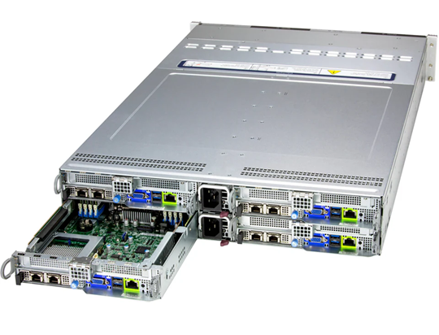
Processor manufacturer | Intel
Processor family | Intel® Xeon®
Supported memory types | DDR5-SDRAM
Maximum RDIMM memory | 4 TB
Storage drive sizes supported | 3.5,M.2
Supported storage drive types | HDD & SSD
Supported storage drive interfaces | M.2, Serial Attached SCSI (SAS)
Ethernet interface type | Gigabit Ethernet
Ethernet LAN data rates | 1000 Mbit/s
LAN controller | Via AIOM
Power Supply | 2x 3600W Redundant (1 + 1) Titanium Level (96%) power supplies
PC health monitoring | CPU, Fan, Temperature

CCR2116-12G-4S+ MIKROTIK Router Rackmount
Product Code | CCR2116-12G-4S+
Architecture | ARM 64bit
CPU | AL73400 2 GHz 16 Cores
Main Storage/NAND | 128MB
RAM | 16GB
SFP Ports | 4
LAN Ports | 13
Memory Card Type | M.2 Slots (1)
Power Jack | 110-240V Dual
Power Jack | 110-240V Dual
Gigabit | Yes
Temperature Sensor | Yes
Dimentions | 449 x 199 x 44 mm
Operating System | RouterOS v7 only
Temperature Range | -20C .. +60C
RouterOS License | Level6
Serial Port | Yes, RJ45
Switch Chip | Yes
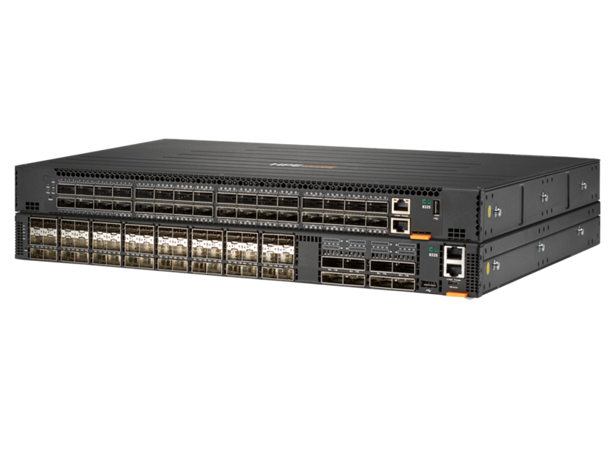
Aruba CX 8325
Power consumption Maximum | 618W depending on the model, Idle: 143W depending on the model
Heat dissipation Maximum | 2110 BTU/hr
Input voltage100–240 VAC | 100–240 VAC, -36–72 VDC
Ports | Supports 48 ports of 1G/10G/25GbE (SFP/ SFP+/SFP28) and 8 ports of 40G/100GbE (QSFP+/QSFP28) or (32 ports of 40G/100GbE (QSFP+/ QSFP28)
Switching capacity | CX 8325 and CX 8325P models provide 6.4 Tbps switching capacity
ThroughputMaximum | 2000 Mbps
Memory and processor | CPU: 2.2 GHz, Memory: Drive and Flash 16 GB RAM, 64 GB SSD, 8 GB Flash, Packet Buffer: 32 MB
Power supply | Field-replaceable, hot-swappable, and up to 2 power supplies or 2 fixed power supplies (1+1) in CX 8325H models

 | Juniper EX2300-24T
Port | 24x Gigabit Ethernet | 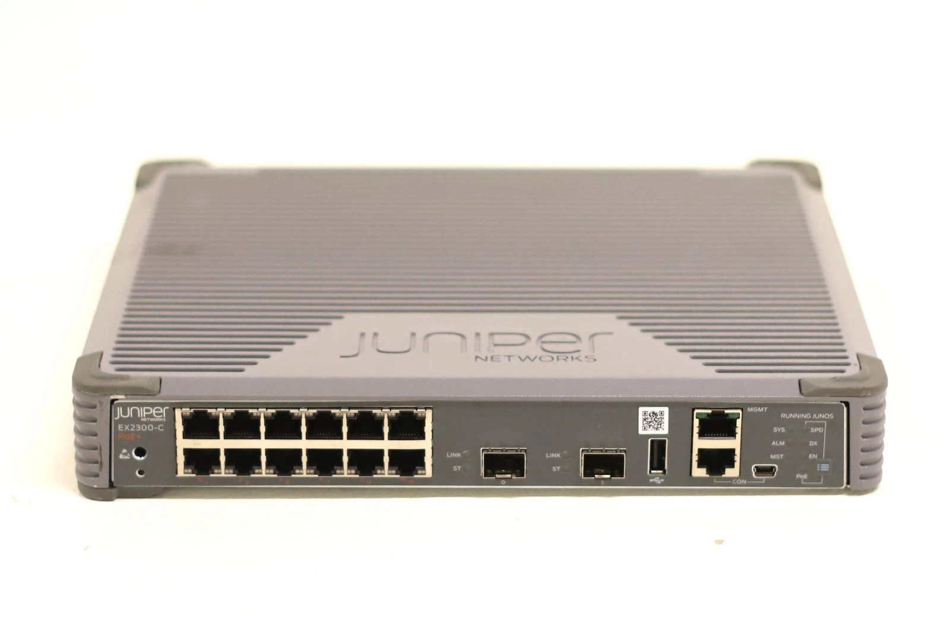
Uplink | 4x 10G SFP+
Switching Capacity | 80 Gbps
Throughput | 95 Mpps
VLAN | 4093
OS | Junos OS
Rackamount | 1U
Jumbo Frame | 9216 Bytes

Rancangan Topologi
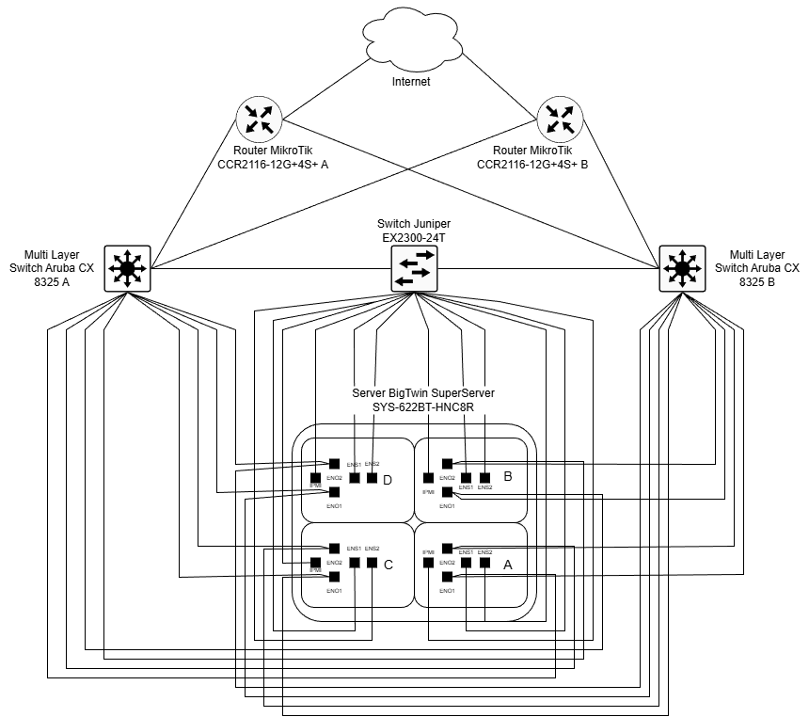

Rancangan Topologi rack
